Blue Board
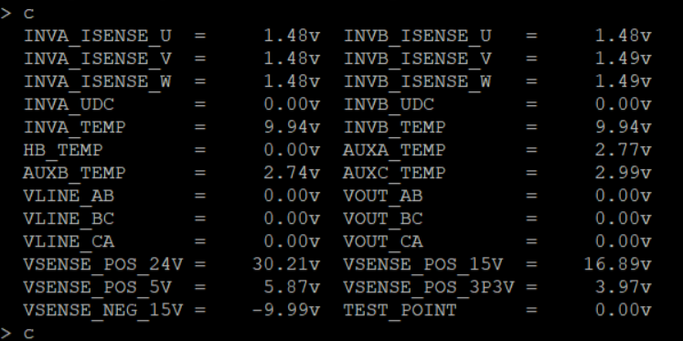
Test | Low Limit | High Limit | Notes
Current Draw |  | 750mA | Power Supply Current
Serial Com |  |  | String comparison
3.3 Vref | 3.2V | 3.4V | Checks ADC Voltage (Control Board Voltage Rails)
15 Vref | 14.75V | 15.2V | Checks ADC Voltage (Control Board Voltage Rails)
-15 Vref | -15.6V | -14V | Checks ADC Voltage (Control Board Voltage Rails)
5 Vref | 4.9V | 5.1V | Checks ADC Voltage (Control Board Voltage Rails)
24 Vref | 23V | 24.2V | Checks ADC Voltage (Control Board Voltage Rails)
Report Board Info |  |  | FPGA, Firmware, Board Rev
Bootloader EEPROM |  |  | This test is part of the board testing firmware
Config EEPROM |  |  | This test is part of the board testing firmware
Data EEPROM |  |  | This test is part of the board testing firmware
SRAM Zeroed |  |  | This test is part of the board testing firmware
SRAM Initialized |  |  | This test is part of the board testing firmware
Temperature | 18C | 35C | Large bounds b/c no secondary measurement
Rel. Humidity | 5% | 60% | Large bounds b/c no secondary measurement
Current Sense (0A) | 1.48V | 1.5V | 0A Applied. Checks ADC Voltage (Isense).
Digital Out |  |  | Apply 24V to collectors, toggle each output
Digital In |  |  | Apply 24V to each pin and check response
Relay |  |  | Use relay driver to toggle relays in the test stand
DC Bus (0V) | -0.1V | 0.1V | 0V Applied. Checks ADC Voltage (UDC)
DC Bus (32V) | 0.14V | 0.22V | 32V Applied. Checks ADC Voltage (UDC)
PWM | 17.5 | 32.5 | 32V applied. Active Leg Duty Cycle | *We do not check ADC temp readings
 | 14.04 | 17.16 | 32V applied. Active Leg Vrms | *I will replace this picture with a good control board on the control board test stand
 | 2487.5 | 2512.5 | 32V applied. Frequency
 | -0.5 | 0.5 | 32V applied. Inactive Leg VDC
 |  | 2 | 32V applied. Inactive Leg Vrms
Local Sense |  | 0.001 | MSE Array. 32V applied. Low reading 0V, High reading -.2V. Checks ADC Voltage (VLINE)
Remote Sense |  | 0.001 | MSE Array. 32V applied. Low reading 0V, High reading -.14V. Checks ADC Voltage (VOUT)

